MBA Analysis
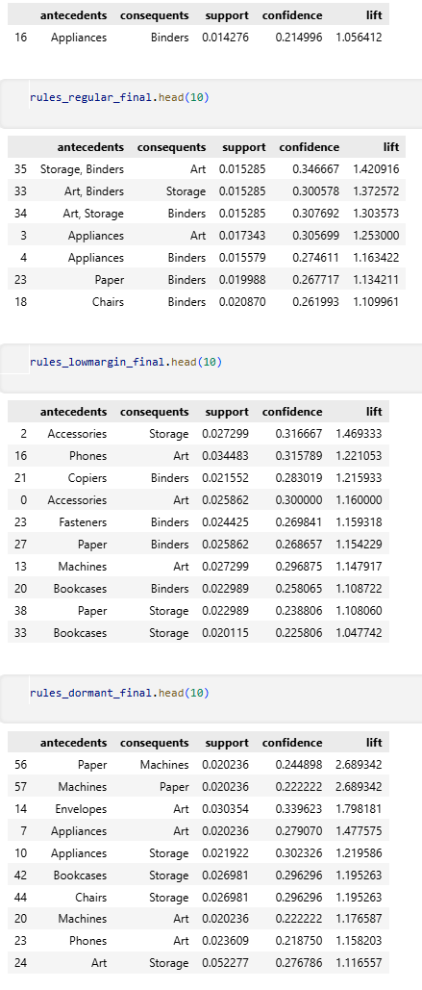
Overall MBA Performance
Segment | Customers | Orders | Sales Share % | Profit Margin % | Avg Discount % | Chosen Support | Good Rules | Avg Confidence | Avg Lift
VIP | 819 | 19684 | 88% | 12% | 14% | 0.01 | 1 | 0.215 | 1.056
Regular | 508 | 3402 | 9% | 16% | 12% | 0.015 | 7 | 0.295 | 1.251
Low-Margin Discount-Driven | 124 | 696 | 1% | -47% | 36% | 0.015 | 13 | 0.266 | 1.141
Churn-Risk | 137 | 593 | 2% | 13% | 16% | 0.015 | 17 | 0.255 | 1.371

